Task Manager -Junior FSE - PreA
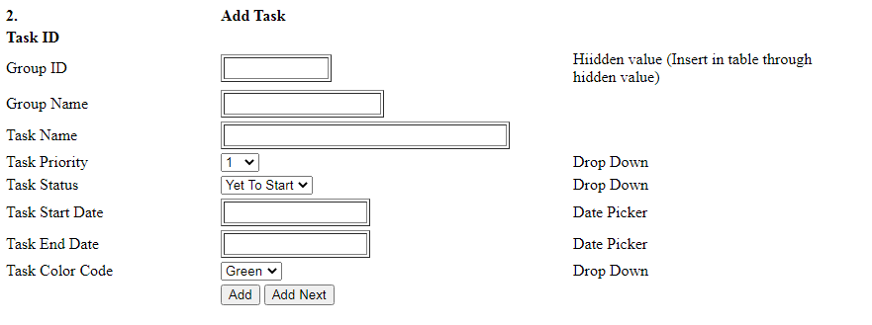
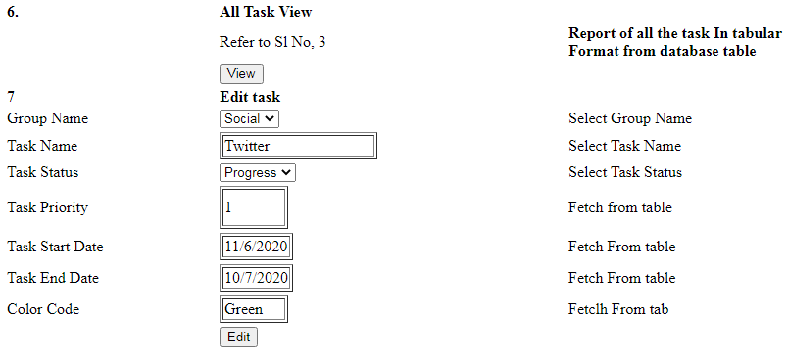
 | Task Manager | Junior FSE
 |  | Wire Frame
Common | Java
HTML5, CSS3, JS | DSA & Core Java and Junit
 | Spring Core
 | ORM (Hibernate)
 | Spring MVC (Web Application Development)

